STRATEGIC OBJECTIVES
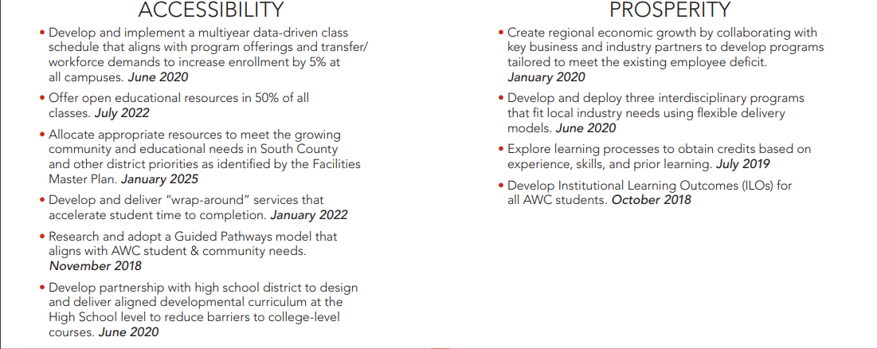
STRATEGIC OBJECTIVES

